SPP SUMMARY
FDPP Form 14b - Supplemental Procurement Plan or Procurement List, Summary - 1st to 4th Quarter of 2022

 |  | Summary by Office

 | Department | Head of Department/Office | Total Cost
 | ACCOUNTING | ATTY. JOSE NEIL D. LUMONGSOD | NONE
 | ADMINISTRATOR | ANTONIETO M. SUICO | NONE
 | AGRICULTURE | ALICIA S. LEPATAN | NONE
 | ASSESSOR | MARGIE M. OLIAMOT | NONE
 | AUDITOR | ANNABELE Q. BIHAG | NONE
 | BAC | CARLO FERNANDO G. LOGARTA | NONE
 | BAO | ALEX CATADMAN | NONE
 | BFP | SINSP. MYLAH SELMA | NONE
 | BJMP | JINSP. RUBEN LENON S. GIERRAN II | NONE
 | BOGO LITES | ENGR. ELENITA Y. URSAL | NONE
 | BTMO | ROGEL L. LAYSON | NONE
 | BUDGET | DANTE J. MAYOR | NONE
 | CBBPAT | RIZALITO M. RECONGCO | NONE
 | CBSAA | RANOLFO LAÑOJAN | NONE
 | CCR | SHEILA F. ORCULLO | NONE
 | CENRO | WENCESLAO A. CAÑETE JR. | NONE
 | CHO | DR. RENE GALO M. PALAY | NONE
 | COMELEC | CARLA ESPINA | NONE
 | COOPERATIVE | NELSON O. NAVARES | NONE
 | CPDO | CARLO FERNANDO G. LOGARTA | NONE
 | CSWD | AMABELLE A. MAYOR | NONE
 | DEP ED | ROSELLER N. GELIG | NONE
 | DILG | MAE B. DURA | NONE
 | ENGINEERING | ENGR. RAMIRO A. LEPON | NONE
 | GSO | SAMSON M. LEPITEN | NONE
 | HRMO | SLAVSKY S. YBAÑEZ | NONE
 | IAO | LEONILA L. CATADMAN | NONE
 | IT | ROGER A. TOÑACAO | NONE
 | LDRRMO | BEN FREDRICK RODRIGUEZ | NONE
 | LEGAL | ATTY. AHMAD CLAY C. ESCOLAR | NONE
 | LEIPO | LUCIA M. NAILON | NONE
 | LIBRARY | SHEILA F. ORCULLO | NONE
 | LIGA | EMMA U. JAGDON | NONE
 | MARKET | ROMEO B. URSAL | NONE
 | MAYOR | ATTY. CARLO JOSE A. MARTINEZ | NONE
 | PAROLE | LAARNI RAMOS | NONE
 | PIO | JEANY EVE YNOT | NONE
 | PNP | PLTCOL. FLORENDO LAUDE FAJARDO | NONE
 | POLAMBATO PORT | ROY P. ARANAS | NONE
 | POPCOM | AMABELLE A. MAYOR | NONE
 | PROSECUTOR | IVY TEJANO MORALDE | NONE
 | RERE | MARIA CIELO A. MARTINEZ | NONE
 | ROD | ATTY. REYNALDO P. MAYOL | NONE
 | SP COUNCILOR | MARIA CIELO A. MARTINEZ | NONE
 | SP SECRETARY | MAITA T. LABRADO | NONE
 | TERMINAL | GELITO LEQUIN | NONE
 | TOURISM | JOCELYN C. TAN | NONE
 | TREASURER | JULIO S. URSONAL JR. | NONE
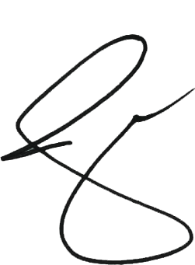
 | VICE MAYOR | MARIA CIELO A. MARTINEZ | NONE
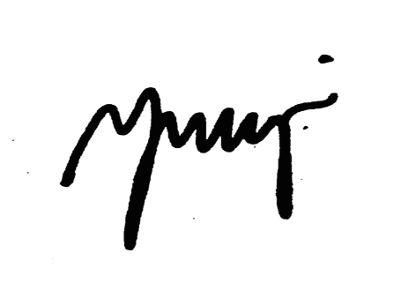

 | Prepared By: | Approved By:

 | NEHAMA F. ANCAJAS
 | Head, BAC Secretariat | Local Chief Executive

